Sheet1
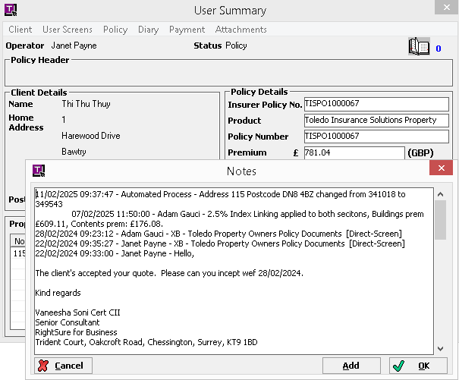
POLICY_DETAILS_ID | HISTORY_ID | MLETPROP_PRPDTAIL_ID | PolicyNumber | Current_BSI | Increase | New_BSI | Occupied_Value | Occupied_Increase | New_Occupied_Value | New_Note | Note_ID
3C0207F18490462DACFE253916C9BEC4 | 1 | 2EB3E5CCC64642C7870BB1413498C437 | TISPO1000067 | 341018 | 8525 | 349543 | 341018 | 8525 | 349543 | 11/02/2025 09:37:47 - Automated Process - Address 115 Postcode DN8 4BZ changed from 341018 to 349543 | B4FD8017F0B7431F9EDF310C50F25D05

